Sheet1
What is OOPS? | Paytm use cases
→Identifying object and assigning responsibilities to this object.
→Object communicate to other objects by sending messages.
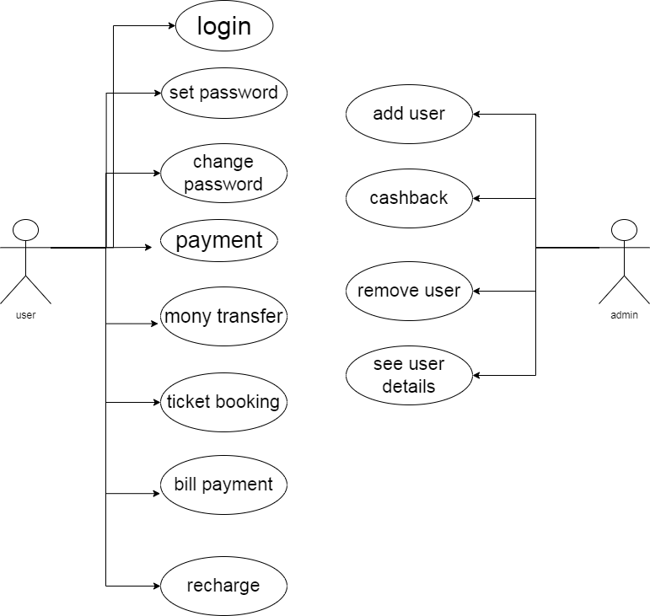
→Massages are received by the methods of an object
→An object like a black box.
→The internal details are hidden.
→Object is derived from abstract data type.
→Object oriented programing has a web of interacting objects,each house keeping its own
state.
→Objects of a program interact by sending messages to each other.

OOPS concepts
─Object ─Polymorphism
─Class ●Overriding
─Encapsulation ●Overloading
─Inheritance ─Abstraction

What is object
→An object represents an individual,identificable items,unit or entity either real or abstract
with a well-defiend role in the problem domain.
→That is both data and function that operate on data are bundled as a unit called as object.

What is class?
→When you define a class you define a blueprint for an object.
→This doesn’t actualy define any data but it does define what the class name means.
→A class represents an abstation of the object and abstracts the properties and behavior of
that object.
→Class can be considered as the blueprint or defination or a template for an object and descr-
ibes the properties and behavior of that object but without any actual existence.

What is encaptulation?
→Encaptulation is the process of wrapping up of detail and behavior of an object in to a single
unit;and the unit here is a class (or interface).

What is inheretence?
→Inheretence is an inportant pillar of OOPS it is the mechanism in java by which one class is
allowed to inherit the featur of another class.in java inheretence means creating new class
bassed on existing ones.

What is polymorphism?
→Polymorphism means "having many forms"
→It alows different object to respond to the same message in different ways the response
specify to the object.

Write SDLC phases with basic introduction
→Structive imposed on the development of a software product that defines the process of
planing,implementation,testing,documantation,deployment,ongoing maintnance and suport
●SDLC phases:
1.Requirement
2.Analysis
3.Design
4.Implementation
5.Testing
6.Maintenance

Write agile manifesto principles
→Individuals and interactions: ia agile development,self organization and motivation are
important as are interactions like co-location and pair programig.
→Working software: demo working software is considered the best means of communication.
→Customer collaboration: as the requierments can not be gathered completely in the
beginning of the project due to various factors,continuous customer interaction is very
important to ger proper product requ.
Responding to change: agile development is focused on quick responses to change and
continuous development.

What is agile methodology?

The agile methodology is a way to manage a project by breaking it up into continuous
improvement at every stage.Once the work begins team cycle through a process of
Agile is a philosophy:ex.-A set of value and principles
to make a decision for developing software.Agile is based on the iterative incremental
model.We create the system in increments,where each increments developed and tested
individually.

What is SRS?
A software requirements specification (SRS) is a complete description of the behavior
of the system to be developed.It includes a set of use cases that describes

What is software testing?
Testing is process used to identify the correctness,complitness and quality of
developed software.
Test objectives:
→Finding defects
→Gaining confidence and providing information about level of quality.
→Preventing defects

What is SDLC
→Software development life cycle
→Sructive imposed on the development of a product that defines the process of planing,
implementation,testing documentation,deployment,ongoing maintenance and suport.

